Sheet1
 |  |  | 94.72 € | 154,385.82 € | 1630
PIC | REF | ARTICLE | RETAIL | TOTAL RETAIL | QTY | KID |  |  | 1 | 2 | 3 | 3,5 | 4 | 4,5 | 5 | 5,5 | 6 | 6,5 | 7 | 11 | 11.5 | 12.5 | 13.5
 |  |  |  |  |  | AD | 4 | 4.5 | 5 | 5,5 | 6 | 6,5 | 7 | 7,5 | 8 | 8,5 | 9 | 9,5 | 10 | 10.5 | 11 | 11.5 | 12 | 12.5 | 13 | 13.5 | 14
 | 301069A-XWSB | PURE B SHOE XWSB | 95.00 € | 95.00 € | 1 | KID |  |  |  |  |  |  |  |  |  |  |  |  |  | 1
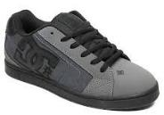 | 302297-DST | NET SE M SHOE DST | 95.00 € | 95.00 € | 1 | MAN |  |  |  |  |  | 1
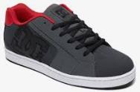 | 302361-GRE | NET M SHOE GRE | 90.00 € | 90.00 € | 1 | MAN |  |  |  |  |  | 1
 | 302905-NR6 | TONIK M SHOE NR6 | 75.00 € | 225.00 € | 3 | MAN |  |  |  |  | 3
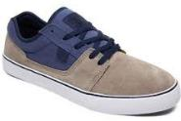 | 302905-NTS | TONIK M SHOE NTS | 75.00 € | 75.00 € | 1 | MAN |  |  |  |  | 1
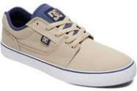 | 303111-TAN | TONIK TX M SHOE TAN | 65.00 € | 130.00 € | 2 | MAN |  |  |  |  |  | 2
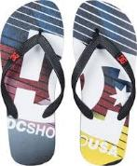 | 303276-BIR | SPRAY GRAFFIK M SNDL BIR | 22.00 € | 22.00 € | 1 | MAN |  |  |  |  |  |  |  |  |  |  |  |  |  |  |  |  |  |  | 1
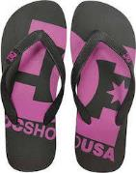 | 303276-BPU | SPRAY GRAFFIK M SNDL BPU | 22.00 € | 132.00 € | 6 | MAN |  |  |  |  | 2 |  |  |  |  |  | 2 |  |  |  |  |  |  |  | 2
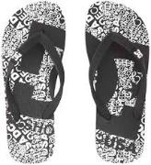 | 303276-BWI | SPRAY GRAFFIK M SNDL BWI | 22.00 € | 88.00 € | 4 | MAN |  |  |  |  | 3 |  |  |  |  |  | 1
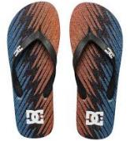 | 303276-KRY | SPRAY GRAFFIK M SNDL KRY | 22.00 € | 22.00 € | 1 | MAN |  |  |  |  |  |  |  |  |  |  |  |  |  |  |  |  |  |  | 1
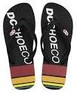 | 303276-PEW | SPRAY GRAFFIK M SNDL PEW | 22.00 € | 22.00 € | 1 | MAN |  |  |  |  |  |  |  |  |  |  | 1
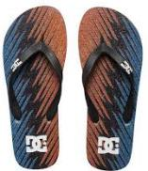 | 303276-XBBW | SPRAY GRAFFIK M SNDL XBBW | 22.00 € | 66.00 € | 3 | MAN |  |  |  |  |  |  |  |  | 1 |  | 1 |  | 1
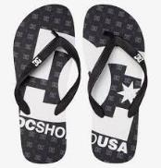 | 303276-XSKK | SPRAY GRAFFIK M SNDL XSKK | 22.00 € | 22.00 € | 1 | MAN |  |  |  |  | 1
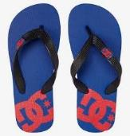 | 303387-XBRK | SPRAY B SNDL XBRK | 16.00 € | 32.00 € | 2 | KID |  |  |  |  |  |  | 2
 | ADBL100008-HMT | SPRAY GRAFFIK B SNDL HMT | 18.00 € | 90.00 € | 5 | KID |  |  | 1 | 1 |  |  | 1 |  | 1 |  |  |  | 1
 | ADBL100008-KDW | SPRAY GRAFFIK B SNDL KDW | 18.00 € | 36.00 € | 2 | KID |  |  |  |  |  |  | 1 |  |  |  | 1
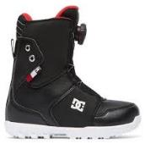 | ADBO100005-BLK | YOUTH SCOUT B BOAX BLK | 149.99 € | 299.98 € | 2 | KID |  |  |  |  | 1 |  |  |  |  |  | 1
 | ADBS300129-BEP | TRASE SP B SHOE BEP | 55.00 € | 55.00 € | 1 | KID |  |  |  |  |  | 1
 | ADBS300253-IND | TRASE V B SHOE IND | 55.00 € | 1,595.00 € | 29 | KID |  |  |  |  |  |  |  |  | 3 |  | 21 | 5
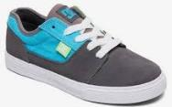 | ADBS300262-XSGB | TONIK B SHOE XSGB | 50.00 € | 800.00 € | 16 | KID |  |  |  |  |  |  | 3 |  |  |  | 13
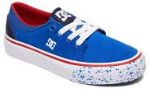 | ADBS300264-NRD | TRASE SE B SHOE NRD | 50.00 € | 100.00 € | 2 | KID |  |  |  |  |  |  |  |  |  |  |  |  |  |  |  | 2
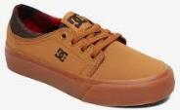 | ADBS300264-WE9 | TRASE SE B SHOE WE9 | 50.00 € | 50.00 € | 1 | KID |  |  |  |  |  |  |  |  |  |  |  |  |  |  | 1
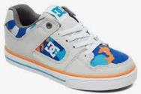 | ADBS300273-XBBN | PURE ELASTIC SE B SHOE XBBN | 55.00 € | 55.00 € | 1 | KID |  |  |  |  |  |  |  |  |  |  | 1
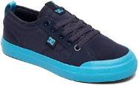 | ADBS300290-NVB | EVAN B SHOE NVB | 55.00 € | 110.00 € | 2 | KID |  |  |  |  |  |  |  |  | 2
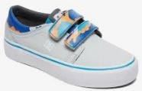 | ADBS300292-MLT | TRASE V SE B SHOE MLT | 55.00 € | 660.00 € | 12 | KID |  |  |  |  |  |  |  |  |  |  | 12
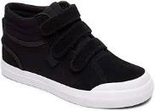 | ADBS300339-BKW | EVAN HI V B SHOE BKW | 65.00 € | 195.00 € | 3 | KID |  |  |  |  |  |  |  |  |  |  | 3
 | ADBS400001-XKKR | BLITZ B SHOE XKKR | 50.00 € | 800.00 € | 16 | KID |  |  |  |  |  |  |  |  | 1 |  | 2 |  | 13
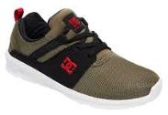 | ADBS700047-OB2 | HEATHROW B SHOE OB2 | 59.00 € | 177.00 € | 3 | KID |  |  |  |  |  |  |  |  |  |  |  |  |  |  |  |  | 3
 | ADBS700075-GBW | E.TRIBEKA B SHOE GBW | 65.00 € | 2,600.00 € | 40 | KID |  |  |  |  |  |  | 8 |  | 14 |  | 13 |  | 5
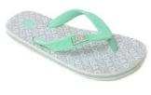 | ADGL100006-GB5 | SPRAY GRAFFIK G SNDL GB5 | 18.00 € | 54.00 € | 3 | KID |  |  | 3
 | ADGL100006-PWC | SPRAY GRAFFIK G SNDL PWC | 18.00 € | 18.00 € | 1 | KID |  |  |  |  |  |  |  |  |  |  | 1
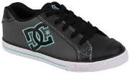 | ADGS300080-BA2 | CHELSEA G SHOE BA2 | 55.00 € | 110.00 € | 2 | KID |  |  |  |  |  |  |  |  | 2
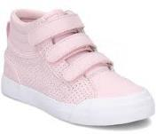 | ADGS300081-PNK | EVAN HI V SE G SHOE PNK | 65.00 € | 455.00 € | 7 | KID |  |  |  |  |  |  |  |  | 5 |  | 2
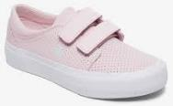 | ADGS300082-PNK | TRASE V SE G SHOE PNK | 55.00 € | 275.00 € | 5 | KID |  |  |  |  |  |  |  |  | 2 |  |  | 3
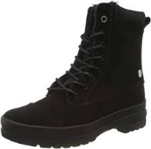 | ADJB300010-BB2 | AMNESTI WNT J BOOT BB2 | 125.00 € | 125.00 € | 1 | KID |  |  |  |  |  |  |  |  | 1
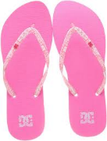 | ADJL100002-PIP | SPRAY SE J SNDL PIP | 22.00 € | 132.00 € | 6 | WOMAN |  |  | 1 |  | 1 |  | 1 |  |  |  | 2 |  | 1
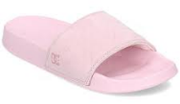 | ADJL100020-PNK | DC SLIDE SE J SNDL PNK | 35.00 € | 35.00 € | 1 | WOMAN |  |  |  |  |  |  |  |  |  |  |  |  | 1
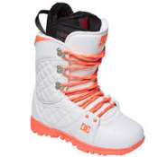 | ADJO200011-103 | KARMA J LSBT 103 | 189.95 € | 189.95 € | 1 | WOMAN |  |  |  |  |  |  |  |  |  |  | 1
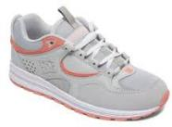 | ADJS100081-GRW | KALIS LITE J SHOE GRW | 95.00 € | 380.00 € | 4 | WOMAN |  |  |  | 1 | 3
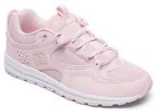 | ADJS100081-LTP | KALIS LITE J SHOE LTP | 95.00 € | 285.00 € | 3 | WOMAN |  |  |  |  | 3
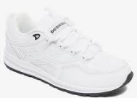 | ADJS100081-WHB | KALIS LITE J SHOE WHB | 95.00 € | 1,235.00 € | 13 | WOMAN |  |  | 2 |  |  |  | 3 |  | 8
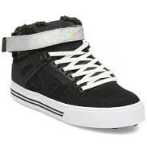 | ADJS100125-BS2 | PURE HI-TOPVWNT J SHOE BS2 | 120.00 € | 360.00 € | 3 | WOMAN |  |  |  |  | 3
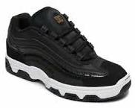 | ADJS100129-BKW | LEGACY LITE J SHOE BKW | 95.00 € | 4,085.00 € | 43 | WOMAN |  |  | 6 |  | 6 |  | 13 |  | 11 | 7
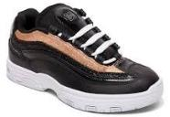 | ADJS100129-BSH | LEGACY LITE J SHOE BSH | 95.00 € | 1,235.00 € | 13 | WOMAN |  |  | 6 |  | 2 |  | 5
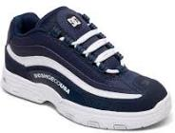 | ADJS100129-NWH | LEGACY LITE J SHOE NWH | 95.00 € | 665.00 € | 7 | WOMAN |  |  |  |  | 1 | 1 | 5
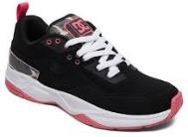 | ADJS200015-BBP | E.TRIBEKA SE J SHOE BBP | 120.00 € | 960.00 € | 8 | WOMAN |  |  | 1 |  | 3 | 1 |  |  |  |  |  |  | 3
 | ADJS200015-BLP | E.TRIBEKA SE J SHOE BLP | 120.00 € | 240.00 € | 2 | WOMAN |  |  | 2
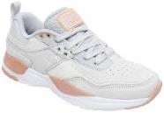 | ADJS200015-GP2 | E.TRIBEKA SE J SHOE GP2 | 120.00 € | 4,440.00 € | 37 | WOMAN |  |  | 10 |  | 4 |  | 1 | 3 |  |  | 1 |  |  | 18
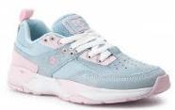 | ADJS200015-LBL | E.TRIBEKA SE J SHOE LBL | 120.00 € | 1,560.00 € | 13 | WOMAN |  |  | 8 |  |  |  | 5
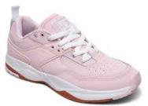 | ADJS200015-LTP | E.TRIBEKA SE J SHOE LTP | 120.00 € | 240.00 € | 2 | WOMAN |  |  |  |  |  |  |  |  | 2
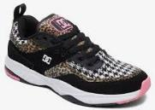 | ADJS200015-MLT | E.TRIBEKA SE J SHOE MLT | 100.00 € | 200.00 € | 2 | WOMAN |  |  | 2
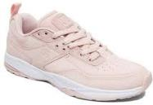 | ADJS200015-PEC | E.TRIBEKA SE J SHOE PEC | 100.00 € | 100.00 € | 1 | WOMAN |  |  | 1
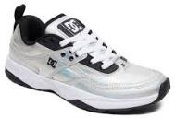 | ADJS200015-SIL | E.TRIBEKA SE J SHOE SIL | 100.00 € | 900.00 € | 9 | WOMAN |  |  |  | 3 |  |  |  |  |  |  |  | 2 | 1 | 2 | 1
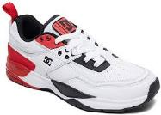 | ADJS200015-XWRK | E.TRIBEKA SE J SHOE XWRK | 120.00 € | 2,760.00 € | 23 | WOMAN |  |  | 2 |  | 3 | 1 | 3 | 3 | 7 | 1 | 1 | 1 | 1
 | ADJS200018-DNM | E.TRIBEKA TX SE J SHOE DNM | 120.00 € | 240.00 € | 2 | WOMAN |  |  | 2
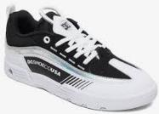 | ADJS200022-BHS | LEGACY 98 SLIM J SHOE BHS | 99.00 € | 7,524.00 € | 76 | WOMAN |  |  | 12 |  | 12 |  | 14 | 6 | 22 | 10
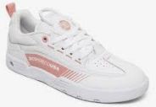 | ADJS200022-PEC | LEGACY98SLIM J SHOE PEC | 99.00 € | 396.00 € | 4 | WOMAN |  |  |  |  |  |  |  |  | 1 |  |  |  | 3
 | ADJS200022-PNK | LEGACY 98 SLIM J SHOE PNK | 99.00 € | 891.00 € | 9 | WOMAN |  |  | 6 |  |  |  |  |  | 3
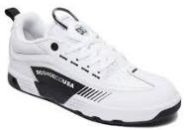 | ADJS200022-WBK | LEGACY 98 SLIM J SHOE WBK | 99.00 € | 198.00 € | 2 | WOMAN |  |  |  |  |  |  | 2
 | ADJS200022-WGY | LEGACY 98 SLIM J SHOE WGY | 99.00 € | 1,782.00 € | 18 | WOMAN |  |  |  | 3 | 2 |  | 2 | 5 | 4 |  |  |  | 2
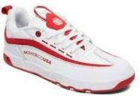 | ADJS200022-WWT | LEGACY 98 SLIM J SHOE WWT | 99.00 € | 198.00 € | 2 | WOMAN |  |  |  |  |  | 1 | 1
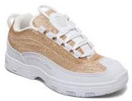 | ADJS200024-GLD | LEGACY OG J SHOE GLD | 130.00 € | 1,430.00 € | 11 | WOMAN |  |  | 1 |  |  | 1 | 1 |  | 2 | 2 | 3 |  | 1
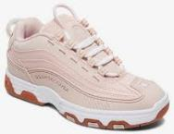 | ADJS200024-PEC | LEGACY OG J SHOE PEC | 130.00 € | 1,040.00 € | 8 | WOMAN |  |  |  |  |  |  |  |  |  |  | 5 |  | 3
 | ADJS200024-WRD | LEGACY OG J SHOE WRD | 130.00 € | 130.00 € | 1 | WOMAN |  |  | 1
 | ADJS200026-WBK | VANDIUM SE J SHOE WBK | 110.00 € | 110.00 € | 1 | WOMAN |  |  |  |  | 1
 | ADJS200026-WPN | VANDIUM SE J SHOE WPN | 110.00 € | 110.00 € | 1 | WOMAN |  |  | 1
 | ADJS300069-BLU | TONIK W TX J SHOE BLU | 75.00 € | 825.00 € | 11 | WOMAN |  |  |  |  | 8 | 1 |  |  |  |  |  |  | 2
 | ADJS300070-DSR | TONIK W TX SE J SHOE DSR | 75.00 € | 1,425.00 € | 19 | WOMAN |  |  |  |  | 9 |  | 10
 | ADJS300078-PPF | TRASE TX J SHOE PPF | 65.00 € | 130.00 € | 2 | WOMAN |  |  |  |  |  |  |  |  |  |  |  |  | 2
 | ADJS300080-BKW | TRASE TX SE J SHOE BKW | 75.00 € | 150.00 € | 2 | WOMAN |  |  | 1 |  |  |  |  | 1
 | ADJS300080-BL0 | TRASE TX SE J SHOE BL0 | 75.00 € | 75.00 € | 1 | WOMAN |  |  |  | 1
 | ADJS300080-LEO | TRASE TX SE J SHOE LEO | 75.00 € | 75.00 € | 1 | WOMAN |  |  |  |  |  |  |  |  |  |  |  |  |  |  | 1
 | ADJS300080-WPN | TRASE TX SE J SHOE WPN | 75.00 € | 300.00 € | 4 | WOMAN |  |  | 2 |  |  |  |  |  |  |  |  | 1 | 1
 | ADJS300080-XBWB | TRASE TX SE J SHOE XBWB | 75.00 € | 750.00 € | 10 | WOMAN |  |  |  | 1 |  |  |  |  |  |  |  | 2 |  | 7
 | ADJS300187-BT0 | TRASE PLTFRM SE J SHOE BT0 | 85.00 € | 170.00 € | 2 | WOMAN |  |  |  |  |  |  |  |  |  |  |  | 1 |  |  | 1
 | ADJS300187-MSL | TRASEPLATFRM SE J SHOE MSL | 85.00 € | 255.00 € | 3 | WOMAN |  |  |  |  |  |  |  |  |  |  |  | 1 | 1 | 1
 | ADJS300187-PNK | TRASE PLTFRM SE J SHOE PNK | 85.00 € | 680.00 € | 8 | WOMAN |  |  |  |  |  |  |  |  |  |  |  | 6 |  | 1 | 1
 | ADJS300202-PEC | TRASE V SE J SHOE PEC | 80.00 € | 160.00 € | 2 | WOMAN |  |  |  |  |  |  |  |  |  |  |  | 1 | 1
 | ADJS300222-PNK | EVAN HI ZERO SE J SHOE PNK | 90.00 € | 2,970.00 € | 33 | WOMAN |  |  | 3 |  | 5 |  | 12 |  |  | 8 |  | 5
 | ADJS300230-WHT | TRASE V TX J SHOE WHT | 65.00 € | 130.00 € | 2 | WOMAN |  |  | 2
 | ADJS300233-BKW | EVAN HI V TX J SHOE BKW | 90.00 € | 90.00 € | 1 | WOMAN |  |  |  |  | 1
 | ADJS700021-LBL | HEATHROW J SHOE LBL | 85.00 € | 935.00 € | 11 | WOMAN |  |  |  |  | 3 | 4 |  | 3 | 1
 | ADJS700021-LTP | HEATHROW J SHOE LTP | 85.00 € | 85.00 € | 1 | WOMAN |  |  |  |  | 1
 | ADJS700056-PPF | MERIDIAN SE J SHOE PPF | 130.00 € | 520.00 € | 4 | WOMAN |  |  | 1 |  |  |  |  |  | 2 | 1
 | ADJS700078-GRW | E.TRIBEKAPLAT J SHOE GRW | 95.00 € | 285.00 € | 3 | WOMAN |  |  | 2 |  |  |  |  |  |  |  |  |  |  |  | 1
 | ADJS700078-LEP | E.TRIBEKA PLAT J SHOE LEP | 95.00 € | 855.00 € | 9 | WOMAN |  |  | 4 |  | 3 |  |  |  |  |  | 2
 | ADJS700078-PEC | E.TRIBEKAPLAT J SHOE PEC | 95.00 € | 190.00 € | 2 | WOMAN |  |  |  |  |  |  |  |  |  |  |  | 2
 | ADJS700081-LGD | E.TRIBEKAPLATSE J SHOE LGD | 100.00 € | 800.00 € | 8 | WOMAN |  |  |  |  |  |  |  |  | 1 |  | 3 | 2 | 2
 | ADJS700081-SIL | E.TRBKAPLT SE J SHOE SIL | 100.00 € | 600.00 € | 6 | WOMAN |  |  |  |  |  |  |  |  |  |  |  |  | 1 | 3 | 2
 | ADJS700089-MLT | E.TRBK X X-GRL J SHOE MLT | 95.00 € | 285.00 € | 3 | WOMAN |  |  |  |  | 1 |  | 1 |  | 1
 | ADYB100006-BGM | PURE HT WR BOOT M BOOT BGM | 140.00 € | 280.00 € | 2 | MAN |  |  |  |  | 2
 | ADYB100006-TAN | PURE HT WR BOOT M BOOT TAN | 140.00 € | 140.00 € | 1 | MAN |  |  |  |  |  | 1
 | ADYB100006-WEA | PURE HT WR BOOT M BOOT WEA | 140.00 € | 560.00 € | 4 | MAN |  |  |  |  | 3 | 1
 | ADYB700009-WD4 | UNCAS M BOOT WD4 | 139.00 € | 278.00 € | 2 | MAN |  |  |  |  |  |  |  |  |  |  | 2
 | ADYB700026-XSKR | TORSTEIN M BOOT XSKR | 130.00 € | 130.00 € | 1 | MAN |  |  |  |  |  |  | 1
 | ADYB700027-BRG | WOODLAND M BOOT BRG | 125.00 € | 375.00 € | 3 | MAN |  |  |  |  |  | 3
 | ADYL100026-XKSR | BOLSA M SNDL XKSR | 24.00 € | 24.00 € | 1 | MAN |  |  |  |  |  |  |  |  | 1
 | ADYL100043-GYB | DC SLIDE M SNDL GYB | 30.00 € | 30.00 € | 1 | MAN |  |  |  |  | 1
 | ADYO100038-BL0 | SHUKSAN M BOAX BL0 | 399.99 € | 399.99 € | 1 | MAN |  |  |  |  |  |  |  |  |  |  |  |  |  |  |  | 1
 | ADYO200019-SYR | LYNX SNOW M LSBT SYR | 279.95 € | 559.90 € | 2 | MAN |  |  |  |  |  |  |  |  |  |  | 2
 | ADYS100225-NGH | COURSE 2 SE M SHOE NGH | 95.00 € | 95.00 € | 1 | MAN |  |  |  |  |  |  |  |  |  |  |  |  |  |  |  |  |  | 1
 | ADYS100291-3BK | KALIS LITE M SHOE 3BK | 95.00 € | 380.00 € | 4 | MAN |  |  |  |  | 4
 | ADYS100291-XKWR | KALIS LITE M SHOE XKWR | 95.00 € | 760.00 € | 8 | MAN |  |  |  |  | 8
 | ADYS100314-XCCG | MANTECA SE M SHOE XCCG | 110.00 € | 880.00 € | 8 | MAN |  |  |  | 2 | 6
 | ADYS100382-0CP | KALIS LITE SE M SHOE 0CP | 95.00 € | 665.00 € | 7 | MAN |  |  |  | 3 | 4
 | ADYS100382-GRW | KALIS LITE SE M SHOE GRW | 95.00 € | 1,140.00 € | 12 | MAN |  |  |  | 6 | 6
 | ADYS100382-WE9 | KALIS LITE SE M SHOE WE9 | 95.00 € | 95.00 € | 1 | MAN |  |  |  |  | 1
 | ADYS100386-KAK | TIAGO S M SHOE KAK | 99.00 € | 1,188.00 € | 12 | MAN |  |  |  |  |  |  | 8 | 4
 | ADYS100386-WG5 | TIAGO S M SHOE WG5 | 99.00 € | 693.00 € | 7 | MAN |  |  |  |  |  | 4 | 3
 | ADYS100386-WHT | TIAGO S M SHOE WHT | 99.00 € | 99.00 € | 1 | MAN |  |  |  |  |  |  |  |  |  |  | 1
 | ADYS100386-XSSW | TIAGO S M SHOE XSSW | 99.00 € | 198.00 € | 2 | MAN |  |  |  |  |  |  | 2
 | ADYS100401-XSSR | PLAZA TC M SHOE XSSR | 80.00 € | 640.00 € | 8 | MAN |  |  |  |  | 1 | 7
 | ADYS100409-BT3 | REPRIEVE M SHOE BT3 | 90.00 € | 1,170.00 € | 13 | MAN |  |  |  |  |  |  |  |  |  |  | 13
 | ADYS100425-MLT | LYNX OG M SHOE MLT | 120.00 € | 7,440.00 € | 62 | MAN |  |  |  |  | 19 |  | 10 | 22 |  | 1 | 8 |  |  | 2
 | ADYS100435-NGY | LEGACY98 SLM S M SHOE NGY | 99.00 € | 198.00 € | 2 | MAN |  |  |  |  |  |  | 2
 | ADYS100444-DCL | VESTREY M SHOE DCL | 85.00 € | 1,360.00 € | 16 | MAN |  |  |  |  | 3 | 2 | 5 | 6
 | ADYS100445-XBBW | LEGACY98 SLM M SHOE XBBW | 99.00 € | 495.00 € | 5 | MAN |  |  |  |  |  |  |  | 5
 | ADYS100445-XSNS | LEGACY98 SLM M SHOE XSNS | 99.00 € | 99.00 € | 1 | MAN |  |  |  |  |  |  | 1
 | ADYS100447-GRW | LEGACY98 SLM SE M SHOE GRW | 99.00 € | 198.00 € | 2 | MAN |  |  |  |  |  |  |  | 2
 | ADYS100447-OB2 | LEGACY98 SLM SE M SHOE OB2 | 99.00 € | 396.00 € | 4 | MAN |  |  |  |  |  | 4
 | ADYS100447-WG5 | LEGACY98 SLM SE M SHOE WG5 | 99.00 € | 495.00 € | 5 | MAN |  |  |  |  | 1 |  |  |  |  |  |  |  |  |  |  |  |  |  |  |  | 4
 | ADYS100454-GY1 | WILLIAMS OG M SHOE GY1 | 130.00 € | 520.00 € | 4 | MAN |  |  |  |  |  |  | 1 | 2 |  | 1
 | ADYS100470-NWH | KALIS S M SHOE NWH | 120.00 € | 360.00 € | 3 | MAN |  |  |  |  |  |  |  | 2 | 1
 | ADYS100472-BGM | BARKSDALE M SHOE BGM | 80.00 € | 80.00 € | 1 | MAN |  |  |  |  |  | 1
 | ADYS100472-XWRB | BARKSDALE M SHOE XWRB | 80.00 € | 80.00 € | 1 | MAN |  |  |  |  |  | 1
 | ADYS100473-GN2 | MASWELL M SHOE GN2 | 85.00 € | 85.00 € | 1 | MAN |  |  |  |  |  | 1
 | ADYS100473-WBK | MASWELL M SHOE WBK | 85.00 € | 765.00 € | 9 | MAN |  |  |  |  | 3 | 6
 | ADYS100473-XSKR | MASWELL M SHOE XSKR | 85.00 € | 680.00 € | 8 | MAN |  |  |  |  | 5 | 3
 | ADYS100476-MLT | LEGACY OG M SHOE MLT | 130.00 € | 4,550.00 € | 35 | MAN |  |  |  |  |  |  | 7 | 4 |  | 7 | 11 |  |  | 6
 | ADYS100476-NRD | LEGACY OG M SHOE NRD | 130.00 € | 130.00 € | 1 | MAN |  |  |  |  | 1
 | ADYS100476-WGN | LEGACY OG M SHOE WGN | 130.00 € | 260.00 € | 2 | MAN |  |  |  |  |  |  | 2
 | ADYS100476-WW0 | LEGACY OG M SHOE WW0 | 130.00 € | 2,990.00 € | 23 | MAN |  |  |  |  |  |  | 5 |  |  |  |  | 12 | 6
 | ADYS100503-BD2 | KALIS S SE M SHOE BD2 | 120.00 € | 960.00 € | 8 | MAN |  |  |  |  |  |  | 1 | 5 |  |  |  | 2
 | ADYS100504-BTN | LYNX OG S BW M SHOE BTN | 120.00 € | 480.00 € | 4 | MAN |  |  |  |  | 1 | 3
 | ADYS100506-3BK | KALIS M SHOE 3BK | 120.00 € | 120.00 € | 1 | MAN |  |  |  |  |  |  | 1
 | ADYS100509-OLV | PENZA M SHOE OLV | 80.00 € | 160.00 € | 2 | MAN |  |  |  |  | 1 | 1
 | ADYS100509-XSSR | PENZA M SHOE XSSR | 80.00 € | 1,040.00 € | 13 | MAN |  |  |  |  | 3 | 10
 | ADYS100511-BLO | PLAZA TC SE M SHOE BLO | 85.00 € | 340.00 € | 4 | MAN |  |  |  |  | 2 | 2
 | ADYS100520-BWT | LEGACY 98 VAC S M SHOE BWT | 99.00 € | 990.00 € | 10 | MAN |  |  |  |  | 3 | 6 | 1
 | ADYS100524-0CP | MASWELL SE M SHOE 0CP | 90.00 € | 630.00 € | 7 | MAN |  |  |  |  | 3 | 4
 | ADYS100527-CMO | DCINFINITE TXSE M SHOE CMO | 75.00 € | 225.00 € | 3 | MAN |  |  |  |  | 1 | 2
 | ADYS100530-WGY | KALIS OG X MT M SHOE WGY | 130.00 € | 650.00 € | 5 | MAN |  |  |  |  |  |  |  | 5
 | ADYS100533-BPT | PENZA TX SE M SHOE BPT | 85.00 € | 510.00 € | 6 | MAN |  |  |  |  | 3 | 3
 | ADYS100533-HAA | PENZA TX SE M SHOE HAA | 85.00 € | 425.00 € | 5 | MAN |  |  |  |  | 3 | 2
 | ADYS100554-BLK | BARKSDALE TX SE M SHOE BLK | 80.00 € | 160.00 € | 2 | MAN |  |  |  |  |  | 2
 | ADYS100555-BL0 | LEGACY98 VAC SE M SHOE BL0 | 99.00 € | 1,386.00 € | 14 | MAN |  |  |  |  | 5 | 5 | 3 | 1
 | ADYS100558-BLO | DC INFINITE SE M SHOE BLO | 75.00 € | 75.00 € | 1 | MAN |  |  |  |  | 1
...

